Test Case
Test Case ID | Scenario ID | API ID | Test Case | Preconditions | Test Data | Test Steps | Expected Result | Actual Result | Evidence | Status
TC_001 | TS-PRODUCT-001 | API-022 | Verify retrieve all products | Internet connection available Valid data available Tool testing available | Header: Content-Type: application/json URL: https://api.practicesoftwaretesting.com/products | 1.Open the tool testing 2.Enter URL 3.Select test method 4.Enter header data 5.Select body items 6. Enter body request 7. Click on "Send" button | The tool testing should be opened The URL should be entered Test method should be selected Header data should be entered Body items should be selected Body request should be entered "Send" button should be clicked Status code shoud be displayed "200 ok" Body response should be displayed The users should be retrieve all products successfully | Tool testing "Postman" screen has been opened. URL "https://api.practicesoftwaretesting.com/products" has been entered. Test method "GET" has been selected. Header data "Key = Content-Type", " Value = application/json" have been entered. Body items "raw" and "JSON" have been selected. Body request has been entered. "Send" button has been clicked. Status code "200 OK" has been displayed. Body response has been displayed all products information successfully. | 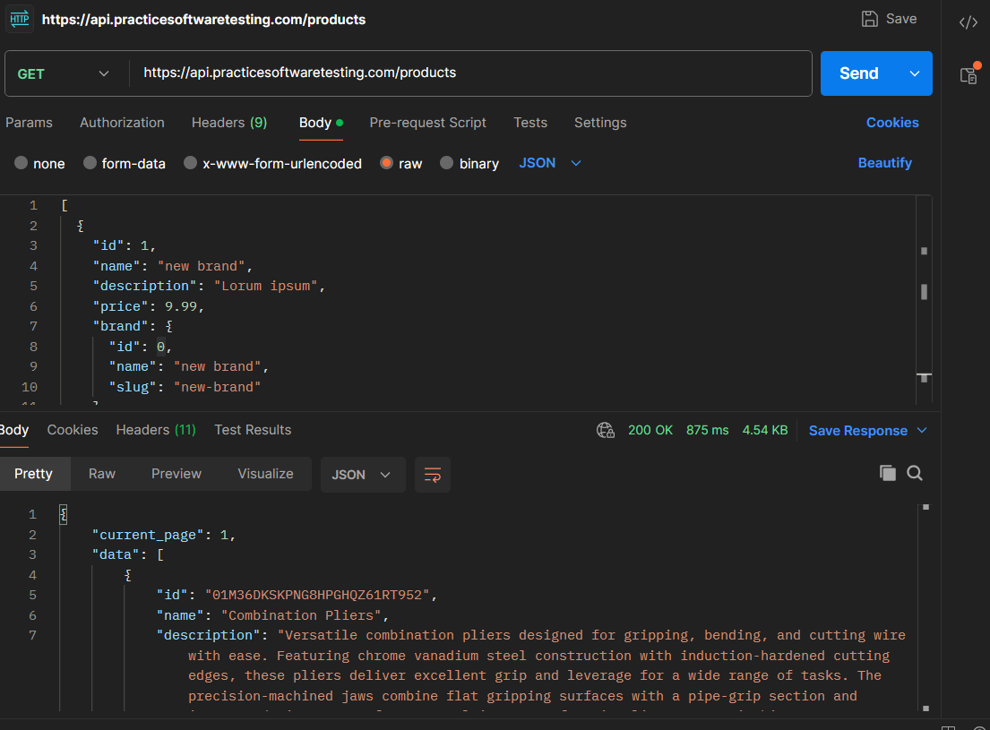 | PASS
TC_002 | TS-PRODUCT-004 | API-023 | Verify retrieve specific product | Internet connection available Test data available Tool testing available | Header: Content-Type: application/json URL: https://api.practicesoftwaretesting.com/products/1 | 1.Open the tool testing 2.Enter URL 3.Select test method 4.Enter header data 5.Select body items 6. Click on "Send" button | The tool testing should be opened The URL should be entered Test method should be selected Header data should be entered Body items "None" should be selected "Send" button should be clicked Status code shoud be displayed "200 ok" Body response should be displayed The users should be retrieve specific products successfully | Tool testing "Postman" screen has been opened. URL "https://api.practicesoftwaretesting.com/products/1" has been entered. Test method "GET" has been selected. Header data "Key = Content-Type", " Value = application/json" have been entered. Body items "None" have been selected. "Send" button has been clicked. Status code "404 Not Found" has been displayed. Body response has not been displayed specific product. | 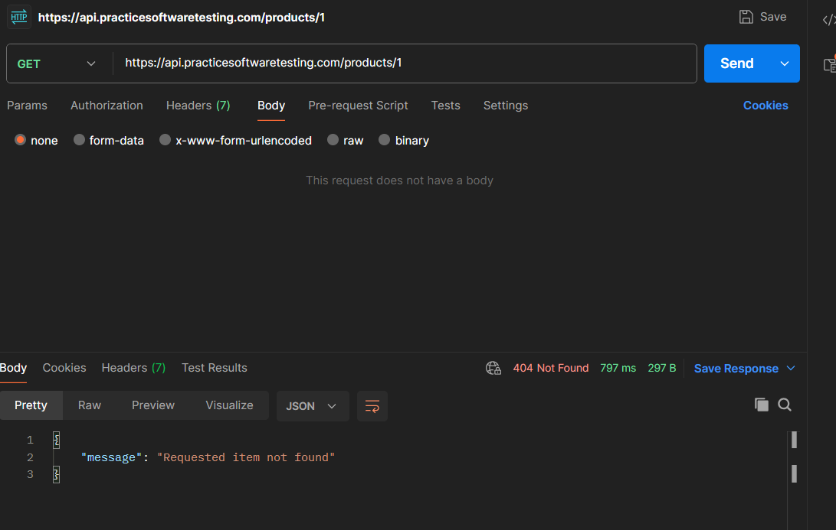 | FAIL
TC_003 | TS-CATE-002 | API-010 | Verify retrieve all categories | Internet connection available Test data available Tool testing available | Header: Content-Type: application/json URL: https://api.practicesoftwaretesting.com/categories | 1.Open the tool testing 2.Enter URL 3.Select test method 4.Enter header data 5.Select body items 6. Enter body request 7. Click on "Send" button | The tool testing should be opened The URL should be entered Test method should be selected Header data should be entered Body items should be selected Body request should be entered "Send" button should be clicked Status code shoud be displayed "200 ok" Body response should be displayed The users should be retrieve all categories successfully | Tool testing "Postman" screen has been opened. URL "https://api.practicesoftwaretesting.com/categories" has been entered. Test method "GET" has been selected. Header data "Key = Content-Type", " Value = application/json" have been entered. Body items "raw" and "JSON" have been selected. Body request has been entered: "id": 0, "parent_id": 0, "name": "new category", "slug": "new-category" "Send" button has been clicked. Status code "200 OK" has been displayed. Body response has been displayed all categories successfully. | 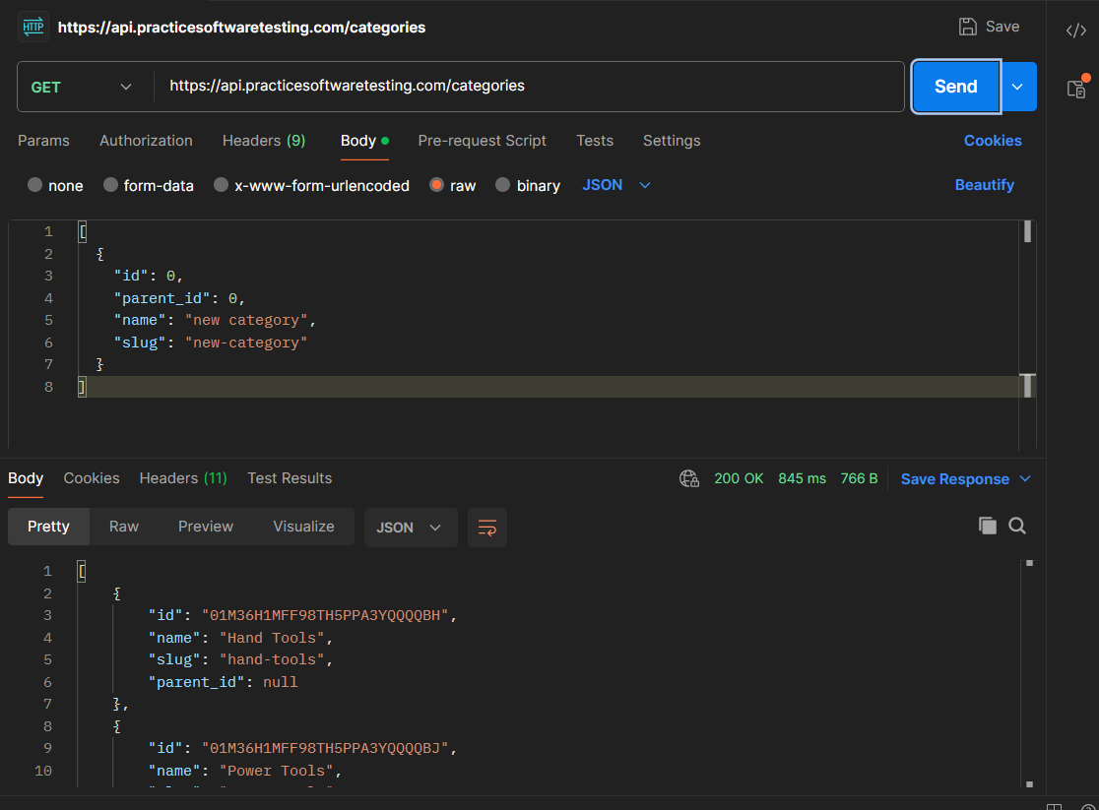 | PASS
TC_004 | TS-CATE-005 | API-011 | Verify update specific category | Internet connection available Test data available Tool testing available | Header: Content-Type: application/json URL: https://api.practicesoftwaretesting.com/categories/1 | 1.Open the tool testing 2.Enter URL 3.Select test method 4.Enter header data 5.Select body items 6. Enter body request 7. Click on "Send" button | The tool testing should be opened The URL should be entered Test method should be selected Header data should be entered Body items should be selected Body request should be entered "Send" button should be clicked Status code shoud be displayed "200 ok" Body response should be displayed The users should be update specific category successfully | Tool testing "Postman" screen has been opened. URL "https://api.practicesoftwaretesting.com/categories/1" has been entered. Test method "PUT" has been selected. Header data "Key = Content-Type", " Value = application/json" have been entered. Body items "raw" and "JSON" have been selected. Body request has been entered: "name": "new category", "slug": "new-category", "parent_id": "0" "Send" button has been clicked. Status code "404 Not Found" has been displayed. Body response has been displayed message "Requested item not found". The users has not been update specific category. | 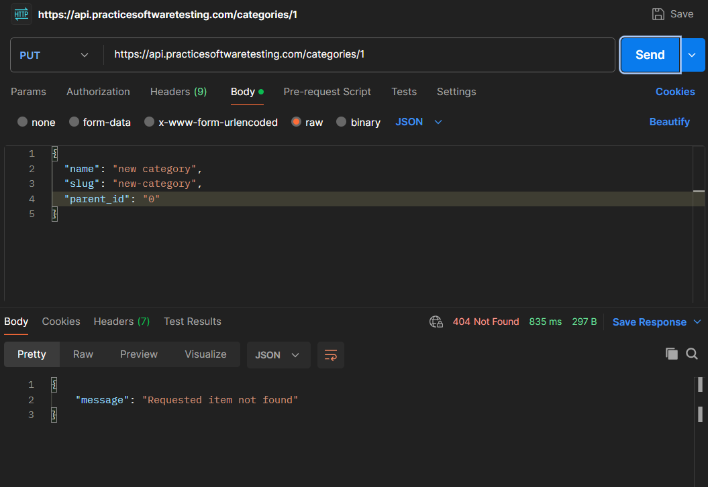 | FAIL
TC_005 | TS-CATE-006 | API-011 | Verify delete specific category | Internet connection available Test data available Tool testing available | URL: https://api.practicesoftwaretesting.com/categories/1 | 1.Open the tool testing 2.Enter URL 3.Select test method 4.Select body items 5. Click on "Send" button | The tool testing should be opened The URL should be entered Test method should be selected Body items should be selected "None" "Send" button should be clicked Status code shoud be displayed "200 ok" Body response should be displayed message The users should be delete specific category successfully | Tool testing "Postman" screen has been opened. URL "https://api.practicesoftwaretesting.com/categories/1" has been entered. Test method "DELETE" has been selected. Body items "None" has been selected. "Send" button has been clicked. Status code "401 Unauthorized" has been displayed. Body response has been displayed message "Unauthorized". The users has not been delete specific category. | 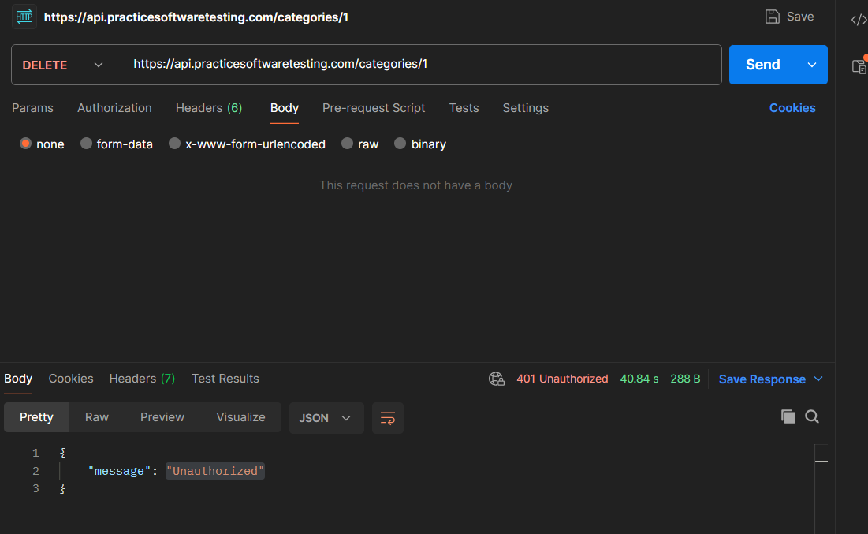 | FAIL

